Log
Volunteer time log

Name | Task | Date | Hours spent | To add volunteers and tasks to this list first go to the data sheet and add these to the relevant columns
Volunteer 1 | Training | 2020-08-02 | 4.00 | Click on the top cell of the table and the on 'data validation' in the data tools group
Volunteer 3 | Exhibition | 2020-09-05 | 7.00 | Click on source and then highlight the list making sure you take in any new entries
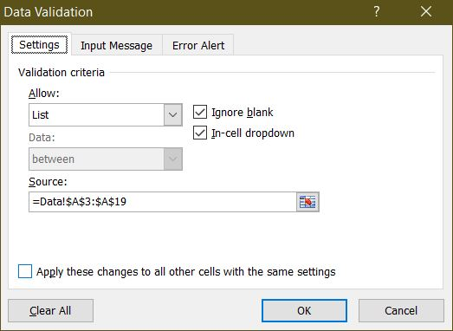
Volunteer 3 | Events | 2020-09-05 | 5.00 | Click 'OK'
Volunteer 4 | Training | 2020-10-23 | 3.00
Volunteer 6 | Training | 2020-12-11 | 7.00

